Sheet1
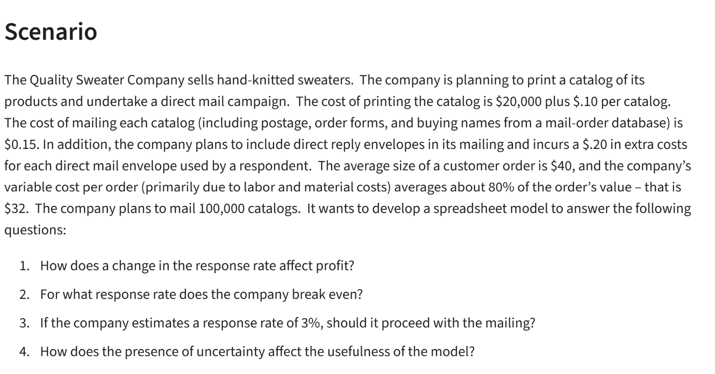
The Quality Sweater
Cost |  |  | Data Table
Input: |  |  | Response Rate
Print Fixed | $20,000.00 |  | Response | Profit
per catalog | $0.10 |  |  | $-
mailing cost | $0.15 |  | 3.0% | -21600
respond | $0.20 |  | 3.5% | -17700
Labour&Material | $32.00 | =B9*0.8 | 4.0% | -13800
avg Order size | $40.00 |  | 4.5% | -9900
 |  |  | 5.0% | -6000
profit | $8.00 |  | 5.5% | -2100
Response | 5.77% |  | 6.0% | 1800
 |  |  | 6.5% | 5700
order | 100000 |  | 7.0% | 9600
 |  |  | 7.5% | 13500
cost | $230,769 | =B4+B14*(B5+B6)+B7*(B12*B14)+B8*(B12*B14) | 8.0% | 17400
revenue | $230,769 |  | 8.5% | 21300
profit | $- |  | 9.0% | 25200 | 5.77% | Breack-even
The Quality Sweater: Response Rate vs Profit
 |  |  | 9.5% | 29100
 |  |  | 10.0% | 33000

